マスターイメージ払い出し手順
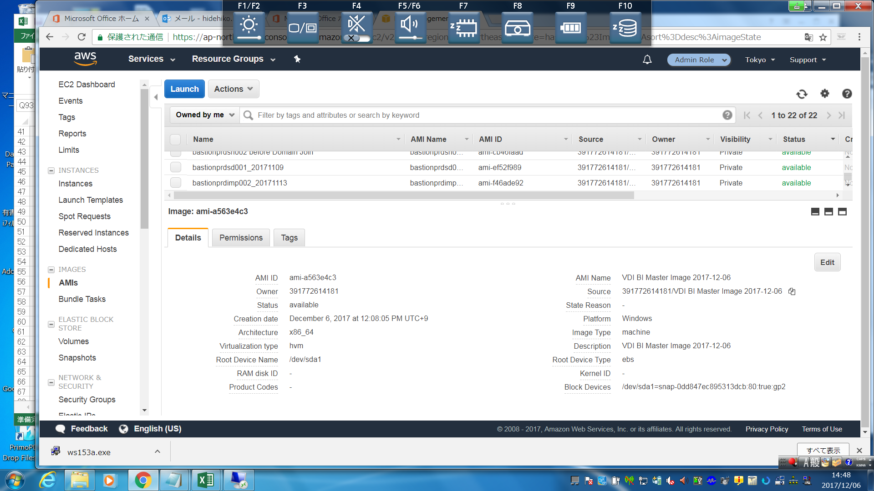
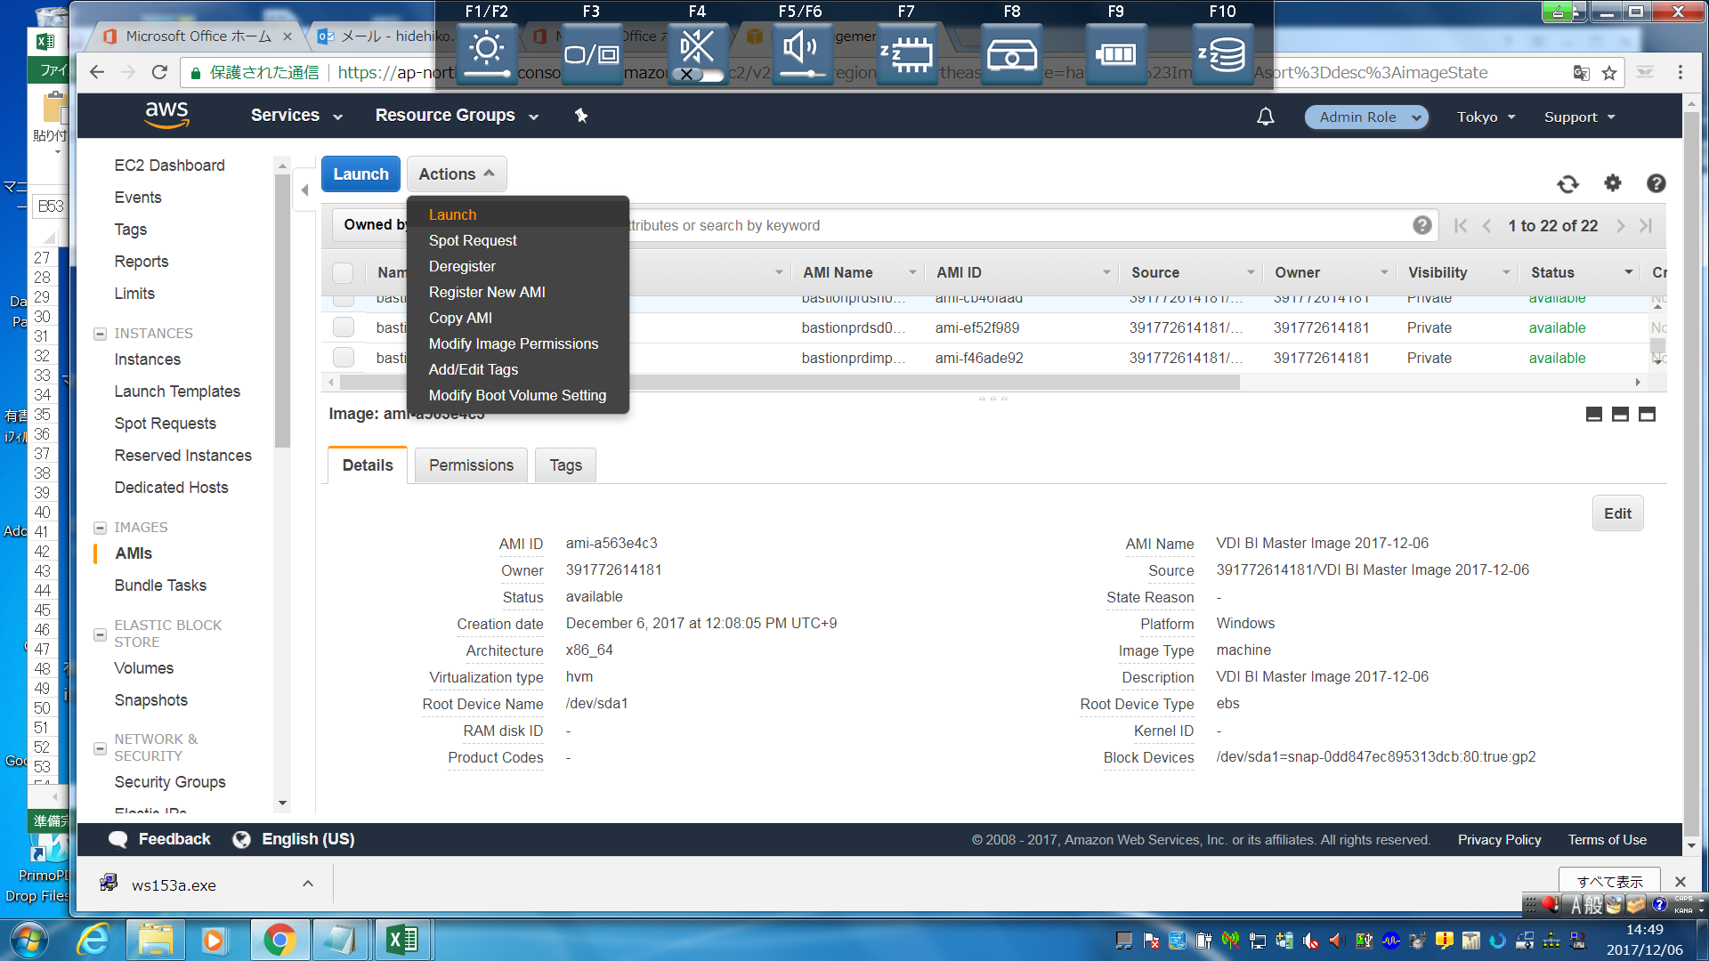
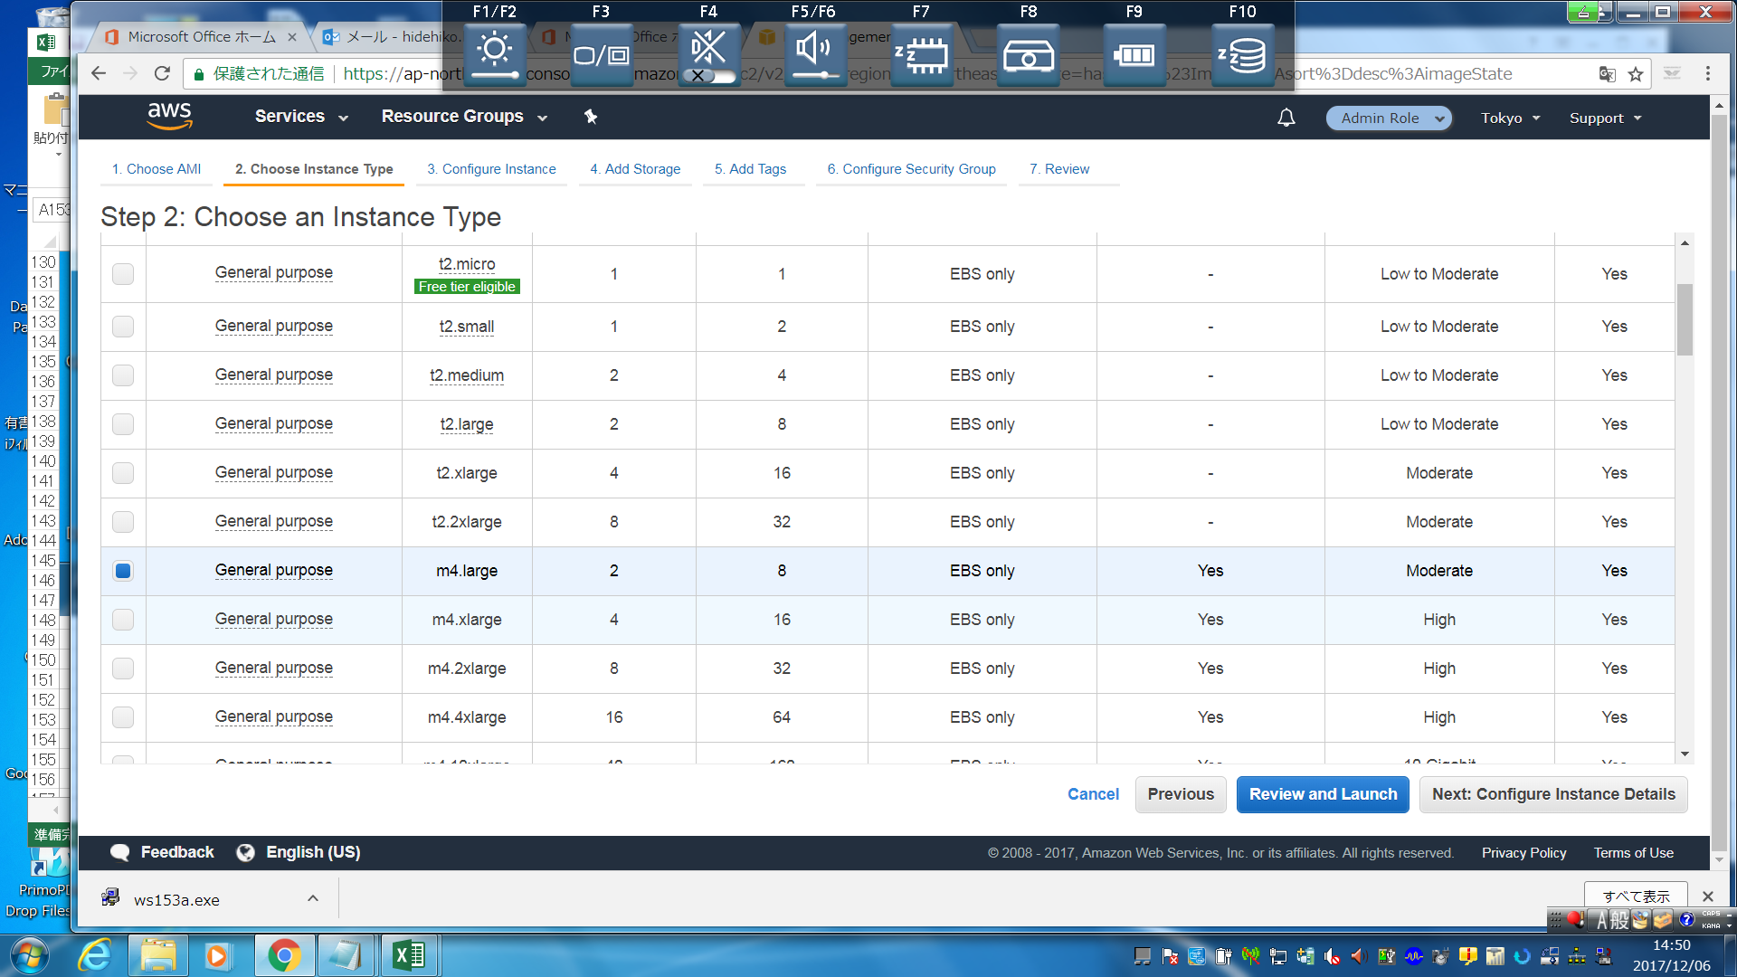
VDIイメージ払い出し
EC2-Inscances→イメージファイルのインスタンスを選択
Actions→Launchを選択し、EC2の設計書通りに設定する。
 | ・インスタンスタイプを入れる
 | ・Networkは該当VPCを入れる
 | ・Subnet選択
 | ・Enabel Termination Proitection
 | ・Tenency → Dedicated host
 | ・HOST
 | ・Primary IP
 | →Next Add Storage
 | →Next Add Tags
 | ・5個行を追加。Volumesのチェックは外す
 | →Next Configure Security Group
 | ・Select an existing security group
 | ・sgroup-bastionprd01-vdi
 | →Review and Laouch
 | ・内容確認し問題ないことを確認。問題あった場合は戻る
 | →Launch
 | ・起動する→10分ほどかかる

